Training
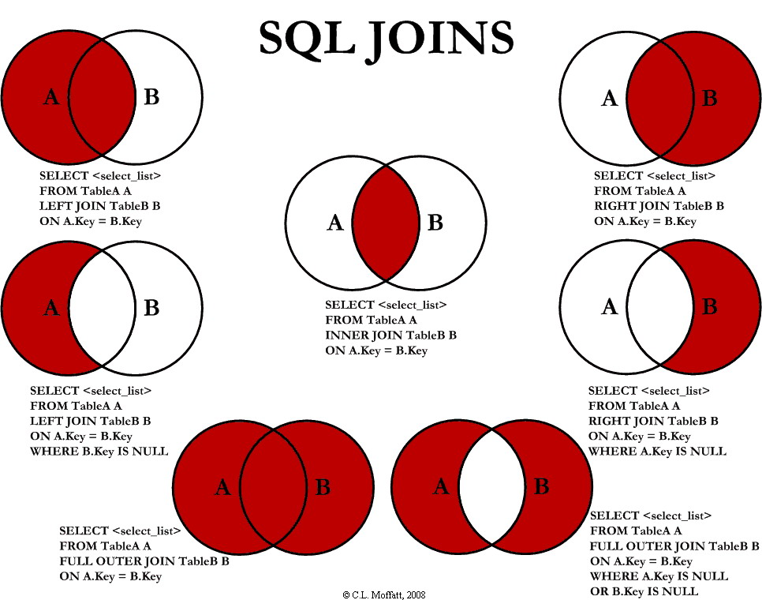
Tr_ID | Agent_ID | Domain | Trainer_Name
101 | 10003 | Excel | Anoop
102 | 10004 | SQL | Anoop
103 | 10005 | SAS | Anoop
104 | 10006 | Excel | Anoop
105 | 10018 | Excel | Anoop
106 | 10019 | VBA | Mukesh
107 | 10020 | VBA | Mukesh
108 | 10011 | VBA | Mukesh
109 | 10012 | VBA | Anoop
110 | 10004 | SQL | Mukesh
111 | 10005 | SQL | Rahul
112 | 10018 | Excel | Ajay

